中国
中国 |  |  | 亿Kw |  | 亿Kw | 亿Kw | 亿Kw |  |  | 亿Kw | 亿tce |  |  | 参考文献 |  | 备注
 | 可再生能源品种 |  | 技术可开发量 | （技术可开发装机容量） | 理论蕴藏量 | 风能资源理论储量 | 资源总量 | 理论可开发储量 | 技术可开发储量 | 资源技术开发量 | 资源潜力 | 目前探明的技术可开发量（潜在装机容量） | 可开发利用的风能储量 | 中国风电发展路线图 2050 - MBA智库文档 (mbalib.com) | 【发改委能源研究所&iea】 | 2020年2亿，2030年4亿，2050年；10亿陆上3级及以上风能技术开发量26亿Kw以上；在水深不超过50米的近海域，风电实际可装机容量5亿Kw
 | 风能 |  | 7~12 |  | 43 |  | 25 | 3226GW | 253GW |  |  |  | 10亿Kw
 |  |  | 1* |  | 1* |  | 2* | 3* | 3* |  |  |  | 我国风能资源储量与分布 (cma.gov.cn)
 |  | 陆上 | 6~10 |  |  | 73 | 23
 |  |  | 1* |  |  | 4*，50米高度以上 | 2*
 |  | 50m |  |  |  |  |  |  |  | 20
 |  | 70m |  |  |  |  |  |  |  | 26
 |  | 100m |  |  |  |  |  |  |  | 34
 |  |  |  |  |  |  |  |  |  | 4*
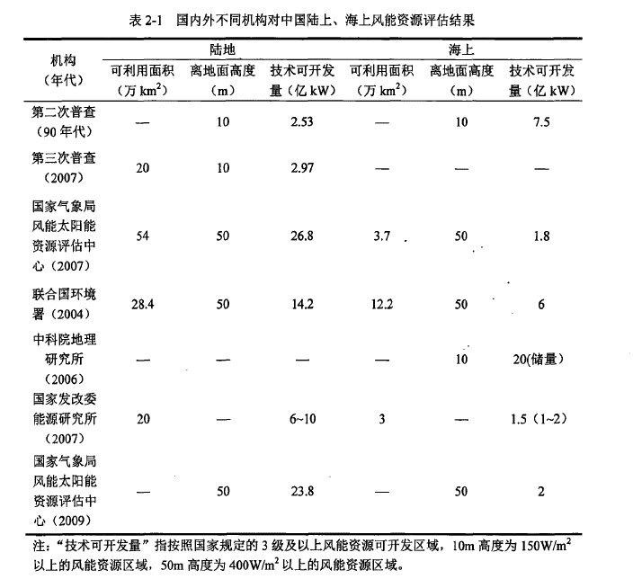
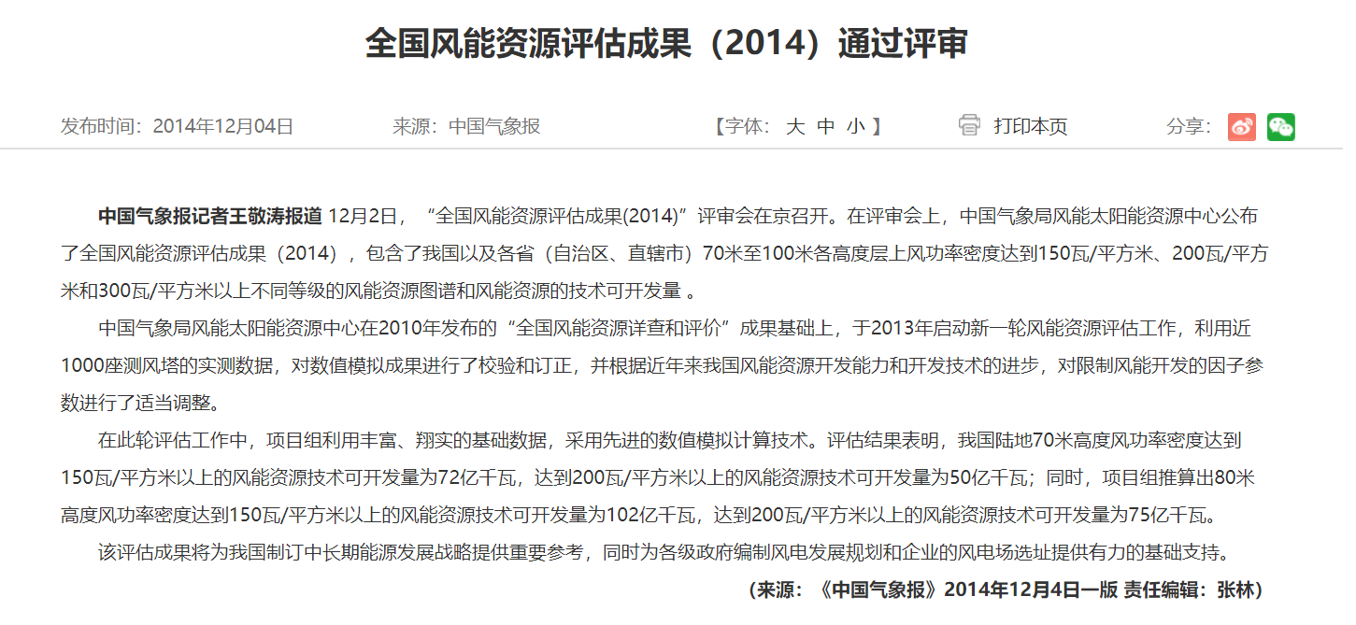
 |  | 海上 | 1~2 | 200GW |  |  | 2（没有做详细评估）
 |  |  | 1* | 5* |  |  | 2*

 | 太阳能 |  | 22 | 156 | 4.50E+07
 |  |  | 1* | 全国太阳能资源及开发量分析 - 知乎 (zhihu.com) | 1*
 | 生物质能 |  |  |  |  |  |  |  |  |  | 8.9亿tce
 |  |  |  |  |  |  |  |  |  |  | 1*
 | 水能 |  | 5 |  | 6 |  |  |  |  |  |  | 5亿Kw
 |  |  | 1* |  | 1* |  |  |  |  |  |  | 2*
 | 地热能 |  | 0.2 |  | 4626.5亿tce
 |  |  | 1* |  | 1*
 | 海洋能 |  | 9.9 |  | 6100
 |  |  | 1* |  | 1*

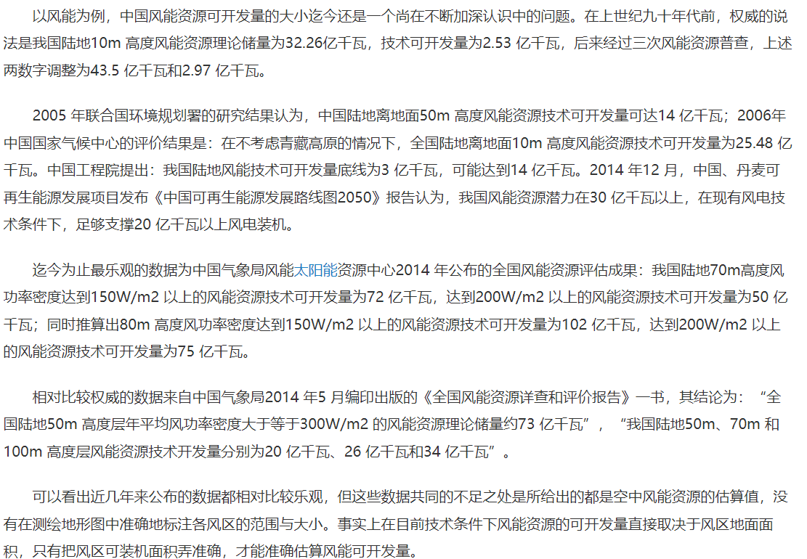
 | 数据来源
 | 1* | 我国可再生能源中长期(2030、2050)发展战略目标与途径 - 中国知网 (cnki.net)
 | 2* | 中国可再生能源发展战略、规划和政策 - 中国知网 (cnki.net)
 | 3* | 环渤海地区风能资源开发与大规模非并网风电产业基地建设 - 中国知网 (cnki.net)
 | 4* | 中国风能资源的详查和评估 - 中国知网 (cnki.net) |  | 【中国气象局】 | 亿Kw
 | 5* | 气候变化背景下未来中国近海风能资源预估 - 中国知网 (cnki.net)

山东
 | 可再生能源品种 | 占全国比 | 技术可开发量 | 占全国比（蕴藏量）
 | 风能 | 1.60% | 99万kw？？ | 1.40%
 |  | 3* | 第三次普查，中国风能资源的地理分布及风电开发利用初步评价 - 中国知网 (cnki.net) | 第三次普查，中国风能资源的地理分布及风电开发利用初步评价 - 中国知网 (cnki.net)

 | 太阳能 |  | 629000MW | 4.03%
 |  |  | 全国太阳能资源及开发量分析 - 知乎 (zhihu.com)
 | 生物质能
 | 水能

 | 地热能
 | 海洋能

Hydro
